Cover

E-DAB 07
Data Analysis & Business
Intelligence Made Easy with
Excel Power Tools
D a t a M o d e l i n g

VLOOKUP |  | Power Query | Power Pivot

Excel Data Analysis Basics

 | E-DAB 07: Excel Data Analysis & BI Basics: Data Modeling: Excel Formulas, Power Query, Power Pivot?

 | 99

 | E-DAB 06: Excel Data Analysis & BI Basics: Power Query to Convert Bad Data into Proper Data Sets
 | 96

Overview
E-DAB 07: Excel Data Analysis & BI Basics: Data Modeling: VLOOKUP, Power Query or Relationships? | 96

Problem: We have Multiple Tables that we need to use to make our PivotTable Reports
Answer: 3 Solutions:
1) VLOOKUP Spreadsheet Function
2) Power Query Merge feature
3) Power Pivot (& Power BI) Relationship feature & Implicit Measure feature

VLOOKUP Spreadsheet Function
Use when you have about 50,000 rows or less of data
Use when Tables are already in the Excel Spreadsheet
Use when you want 1 table in the PivotTable Field List

Power Query Merge feature
Use when Tables are coming from an External data Source
Use when you want 1 table in the PivotTable Field List
* Power Query can also import multiple tables without using the Merge feature


Power Pivot Relationship feature & Implicit Measure feature
Use when you have more than about 50,000 records
Use when you want to have multiple tables in the PivotTable Field List
* Power Pivot & Power BI can be used on Big Data (millions of rows) with Explicit Measures

Ex(2)
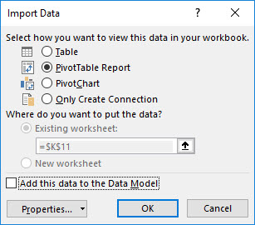
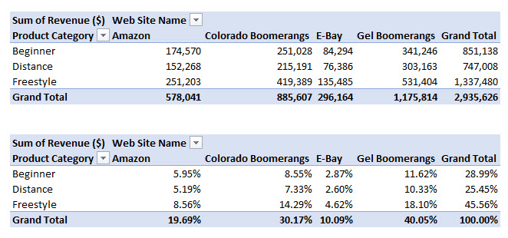
Business Situation: Boomerang Incorporated sells boomerang products on four different web sites: Gel Boomerangs, Colorado Boomerangs, Amazon, E-Bay.
Goal: Create a Total Revenue Report by Product Category and Web Site and a similar Report that shows the % Revenue each Total Revenue Number represents of the Grand Total.
Problem: They have three tables with the raw data we need to create the report. Two tables are in an Access Database and the third is below in the Excel Sheet.
Solution: Power Query. We will use Power Query to import tables from Access and Excel into the Power Query Editor.
Then we will use the Merge feature and the Add Column feature. We will then load our data to the PivotTable Cache, and then we will make a PivotTable Report.

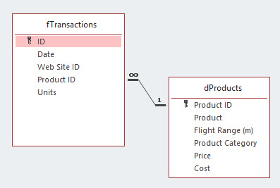
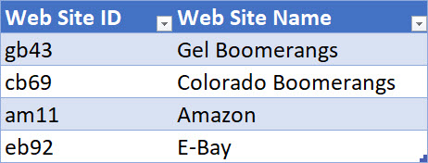
Dimension Table = dWebSitePQ | From an Access Database:
 | Fact Table = fTransactions
 | Dimension Table = dProduct

Ex(3)
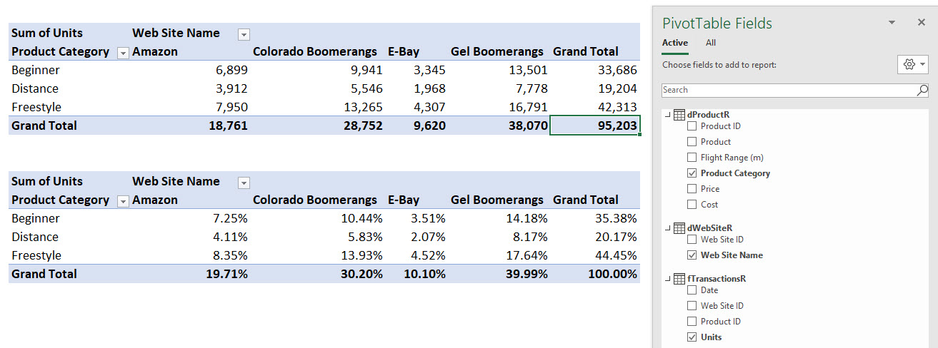
Business Situation: Boomerang Incorporated sells boomerang products on four different web sites: Gel Boomerangs, Colorado Boomerangs, Amazon, E-Bay.
Goal: Create a Total Units Report by Product Category and Web Site and a similar Report that shows the % Revenue each Total Revenue Number represents of the Grand Total.
Problem: They have three tables with the raw data we need to create the report. The tables have about 50,000 records and are in the Excel Sheet and so we can choose to use VLOOKUP or Relationships.
Solution: Power Pivot. We will use the Data Ribbon Tab, Data Tools, Relationship button and then an Implicit Measure in the Data Model PivotTable.
This allows us to create a One-To-Many Relationship between the tables, import them into the Power Pivot data Model, and then we will have three different table in our PivotTable Field List.

Start Tables:

Create Relationships

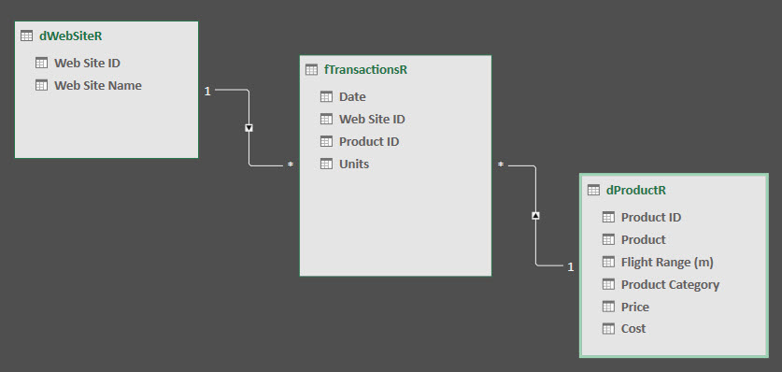

PivotTable Field List and Final Reports:

